Start Here

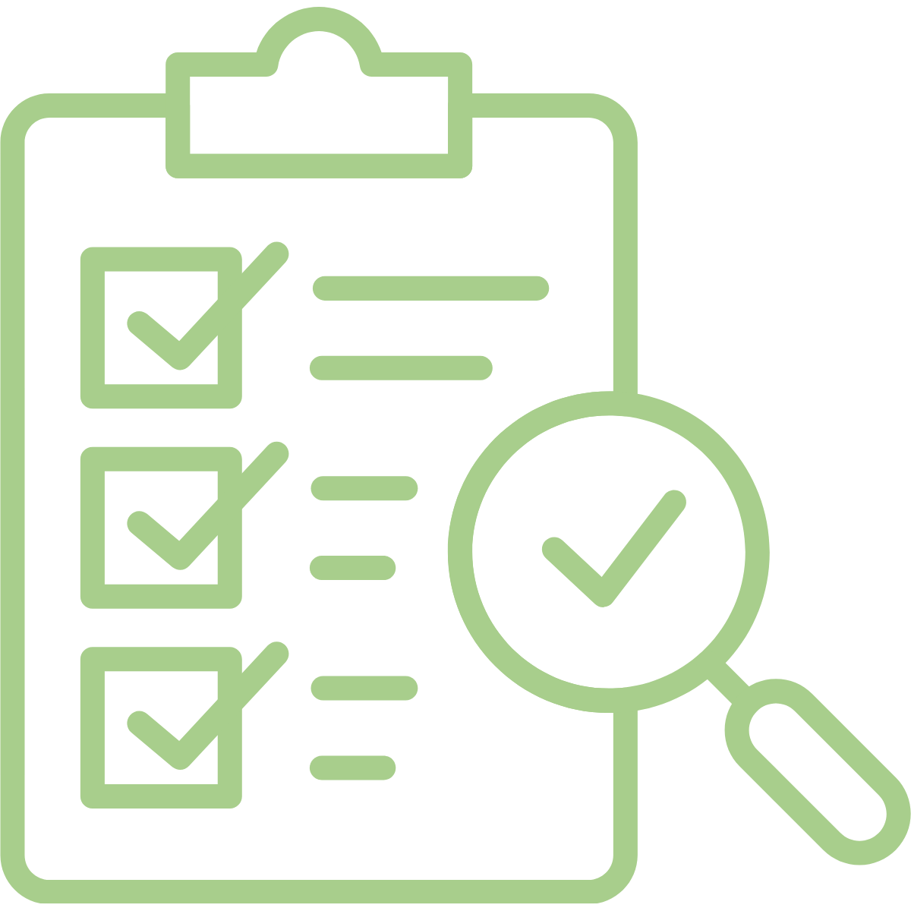
 Community Housing Asset Mapping Workbook
The Community Housing Asset Workbook is designed to support health centers to understand their capacity for engagement with the housing sector and strengthen their ability to address the factors that influence patient health beyond the clinical setting. This workbook can be used to assess readiness, understand the next action steps, begin to identify potential partners within their local community and connect to resources for ongoing support. Establishing essential housing partnerships will ultimately allow health centers to effectively address the non-medical factors of health among their patients, which in return will support patients healthcare and stable housing needs.
 |  |  |  | 

 | Assessing Readiness Tool | Assessment Score Report | Quick Guide to Housing Programs | Partnership Mapping Exercise

 | Using this self-assessment tool, health centers can quickly determine how ready their clinic is for partnership with the housing sector across four different domains. | After completing the self-assessment tool, the score report will generate on this tab. Score results are divided into three stages of readiness (low, moderate, high). Review the recommended action steps associated with the level of readiness. | Once the assessment is complete use this tab to review the many housing programs at the Federal, State and Local Level. Pay close attention to specific resources by community, geographic area or other eligibility criteria. | This tab will guide your efforts to map the housing assets in your community and help you to organize your potential housing partners and their contact information.

 |  | Questions regarding this tool can be directed to hrsa.ta@csh.org

