INSTRUCTIONS
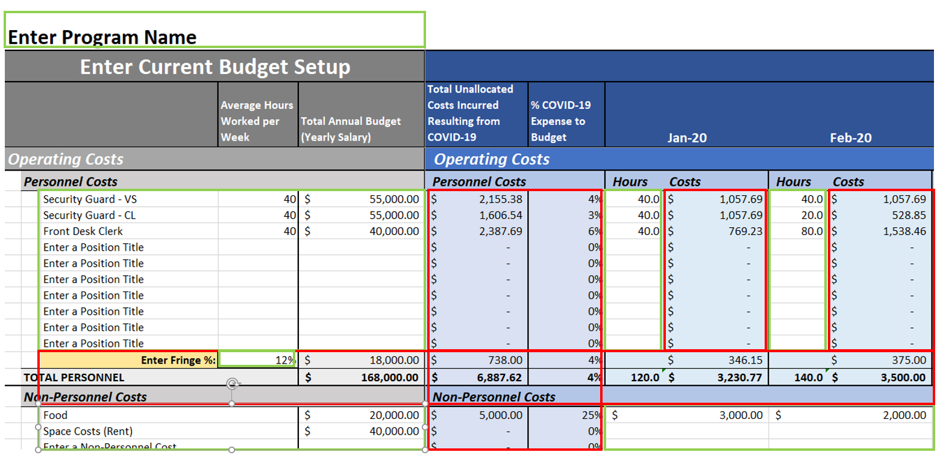
COVID-19 BUDGET AND EXPENSE TRACKER
Purpose
As a result of COVID-19, many organizations have had to reconfigure budgets, pivot personnel, and take on extra costs that were not budgeted or planned. This tool's goal is to assist organizations track and manage program personnel and non-personnel expenses related to COVID-19. By recording these expesnes and effort as they occur, it will increase the liklihood of having adequate and complete documentation to potentially seek reimbursement depending on funding sources and opportunities. This tracker is intended for use with one project, program, or contract rather than tracking an entire organization. It is also meant to supplement, not replace, existing accounting procedures and systems. This workbook has two tabs. The Budget and Expenses tab tracks the expenses related to COVID-19 against a program budget. The Employee Hours and Effort tab tracks in narrative form the work done by program personnel related to COVID-19 to support the expense and build a comprehensive portfolio of documentation for reimbursement.

General Features
- Cells with no background (white) are generally Cells for user input - Shaded cells with any color background are generally either labels of calculations - Columns and rows are frozen for easy reference while entering data - Totals are included in each sub-line item and line items - Grand totals included at the bottom of the Budget and Expenses tab - Data entered on the Budget and Expenses tab will carry over to the Employee Hours and Effort tab - Expense data will total under the "Total Unallocated Costs Incurred from COVID-19" column and be compared to budget in the "% COVID-19 Expense to Budget" These columns may be used to quickly identify which cost categories, line items, and sub-line items are more heavily impacted - Assumes daily costs for personnel and non-personnel expenses are tracked by other systems and can be consolidated by month in this tool

Budget and Expenses Tab Features and Instructions
- Two parts to the tab Current Budget Setup (gray background) and COVID-19 Related Expenses (blue background) - Budget is broken into five (5) cost categories Operations, Supportive Services, Administrative, and two line items for program customization - Each line item has space for ten (10) personnel costs and ten (10) non-personnel costs; personnel costs includes space for fringe percentages Personnel costs are expenses associated with staff and staffing, persons titles, salaries, and hours worked are all part of personnel costs. Non-personnel costs are expenses for things other than staff, rent/space (both for participants and program offices), office supplies, mileage, parking, food, vouchers, insurance, IT, depreciation, and financial assistance are all example of non-personnel costs. For both categories of costs, the intent of this tool is to capture work done related to COVID-19 that otherwise would not have happened, but for this crisis. Hours that staff spent attending specifically to the organizations COVID-19 response, extra food that had to be ordered to ensure program participants could shelter in place, or financial assistance or vouchers issued to participants who could not work, etc. Instructions Set up Current Program Budget 1. Review Current Budget Setup and arrange line items to match actual program budget 2. Fill in position titles under each line item's personnel costs section along with annual salary, average hours worked in a week and fringe % TIP: If there are multiple positions with the same title (e.g., case manager), consider using staff initials or ID# to differentiate positions 3. Fill in non-personnel costs under each line item's non-personnel costs section along with budgeted amount 4. Review totals and ensure they align with actual program budget Record COVID-19 Related Expenses 1. For each month summarize personnel and non-personnel expenses incurred as a result of COVID-19 2. For personnel costs enter only hours that position worke

Employee Hours and Effort Features and Instructions
The information in this tab is meant to track the narrative of the effort by position, by line item. The intent is to assist program collect and consolidate contemporaneous notes about the work done related to COVID-19. Instructions 1. Review the hours by position, by month; position titles and monthly hours will automatically pull from the information entered in the Budget and Expenses tab (See example to the right) 2. Enter in a breif description of the work done by that position in that month that relates to the organization's repsonse to COVID-19 Important Notes - While there is no formal requirement regarding the narratives, generally the more detailed the note the better - Input cells have wrap text active, so notes will expand the cell automatically - Collect narratives from staff at least at the same time as timesheets are collected

ADVANCED USERS ONLY
The workbook and worksheets are protected to avoid accidently overwriting labels and calculations. For advanced users and to increase cutomization, the password to unlock the workbook and tabs is "csh" all lowercase.

